original solids
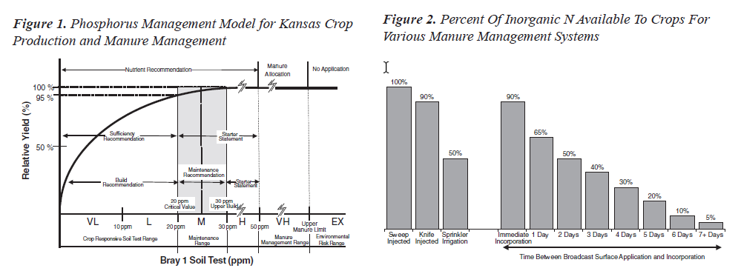
Field | Acres | Planned Crop | yield goal | crop N requirement lbs/ac | P ppm | soil test OM % | OM availability N lbs/ac | Nitrate 0-6 lbs/ac | Nitrate 6-24 lbs/ac | N rec lbs/ac | Allowable P2O5 lbs/ac | App Rate tons/ac | Max App tons | N bal. residual N lbs/ac
 |  |  |  |  |  |  | 0 |  |  | 0 |  | 0.0 | 0 | 0
 |  |  |  |  |  |  | 0 |  |  | 0 |  | 0.0 | 0 | 0
 |  |  |  |  |  |  | 0 |  |  | 0 |  | 0.0 | 0 | 0
 |  |  |  |  |  |  | 0 |  |  | 0 |  | 0.0 | 0 | 0
 |  |  |  |  |  |  | 0 |  |  | 0 |  | 0.0 | 0 | 0
 |  |  |  |  |  |  | 0 |  |  | 0 |  | 0.0 | 0 | 0
 |  |  |  |  |  |  | 0 |  |  | 0 |  | 0.0 | 0 | 0
 |  |  |  |  |  |  | 0 |  |  | 0 |  | 0.0 | 0 | 0
 |  |  |  |  |  |  | 0 |  |  | 0 |  | 0.0 | 0 | 0
 |  |  |  |  |  |  | 0 |  |  | 0 |  | 0.0 | 0 | 0
 |  |  |  |  |  |  | 0 |  |  | 0 |  | 0.0 | 0 | 0
 |  |  |  |  |  |  | 0 |  |  | 0 |  | 0.0 | 0 | 0
 |  |  |  |  |  |  | 0 |  |  | 0 |  | 0.0 | 0 | 0
 |  |  |  |  |  |  | 0 |  |  | 0 |  | 0.0 | 0 | 0
 |  |  |  |  |  |  | 0 |  |  | 0 |  | 0.0 | 0 | 0
 |  |  |  |  |  |  | 0 |  |  | 0 |  | 0.0 | 0 | 0
 |  |  |  |  |  |  | 0 |  |  | 0 |  | 0.0 | 0 | 0
 |  |  |  |  |  |  | 0 |  |  | 0 |  | 0.0 | 0 | 0
 |  |  |  |  |  |  | 0 |  |  | 0 |  | 0.0 | 0 | 0
 |  |  |  |  |  |  | 0 |  |  | 0 |  | 0.0 | 0 | 0
total acreage | 0 |  |  |  |  |  |  |  |  |  |  |  | 0
number of fields | 0

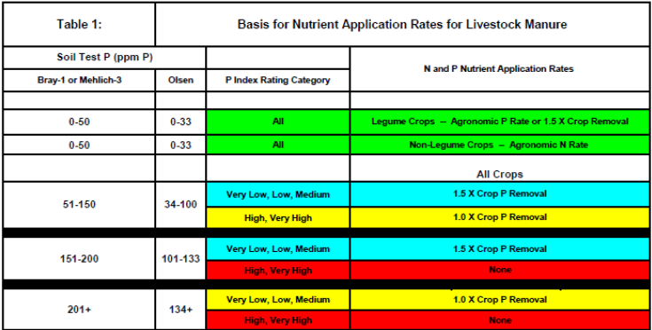
Parameter | Lab Results lbs/ton | Availability Factors % | Warm Season Crop Available N lbs/ton | Cool Season Crop Available N lbs/ton | ≤ 20 ppm P1/M3 (≤ 12 Oleson) Available P2O5 lbs/ton | ≥ 20 ppm P1/M3 (≥ 12 Oleson) Available P2O5 lbs/ton | Available K2O lbs/ton
Org N |  | 25 | 0 | 0
NH4-N |  | 5 | 0 | 0
NO3-N |  | 100 | 0 | 0
Total N |  |  | 0 | 0
P2O5 |  | 50 or 100 |  |  | 0 | 0
K2O |  | 85 |  |  |  |  | 0
Total Moisture %

